Spectrum Infos
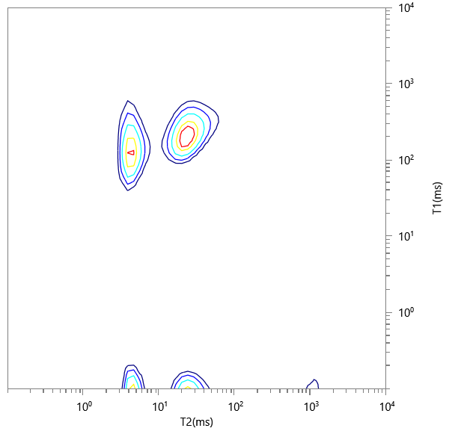
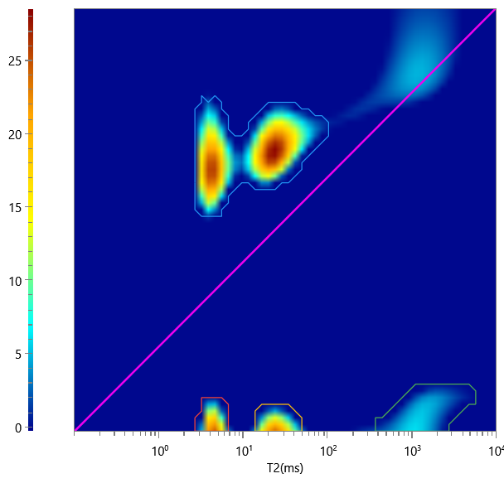
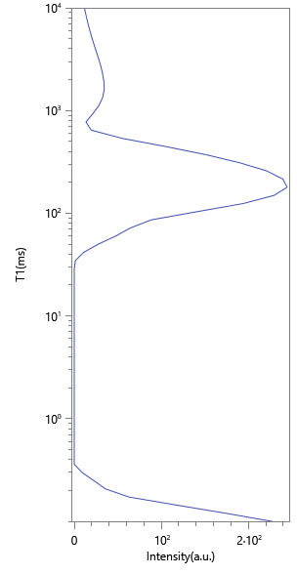
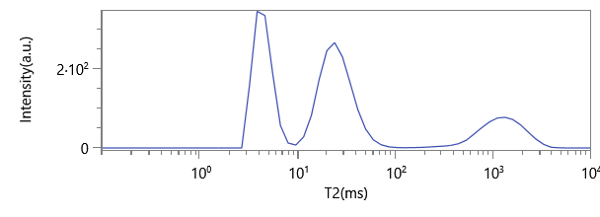
No. | ∫∫ | Content | HI | Saturation
1 | 2022.071 | 0.758 | 1 | 0.758
2 | 204.191 | 0.077 | 1 | 0.077
3 | 248.512 | 0.093 | 1 | 0.093
4 | 193.817 | 0.073 | 1 | 0.073

